API 1
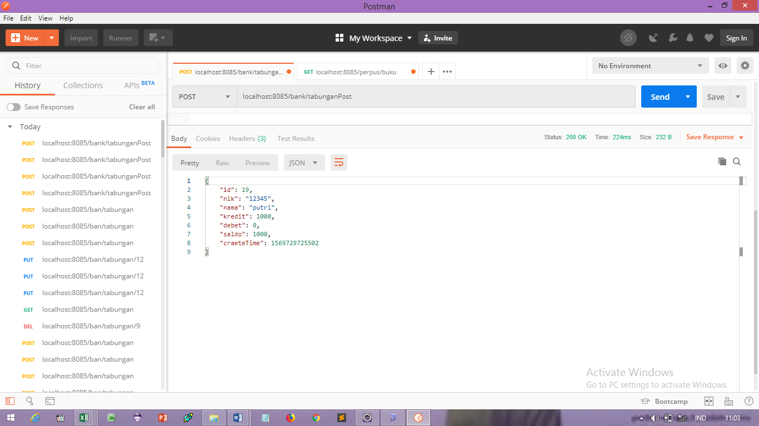


API | POST
http://localhost:8085/bank/tabunganPost

parameter

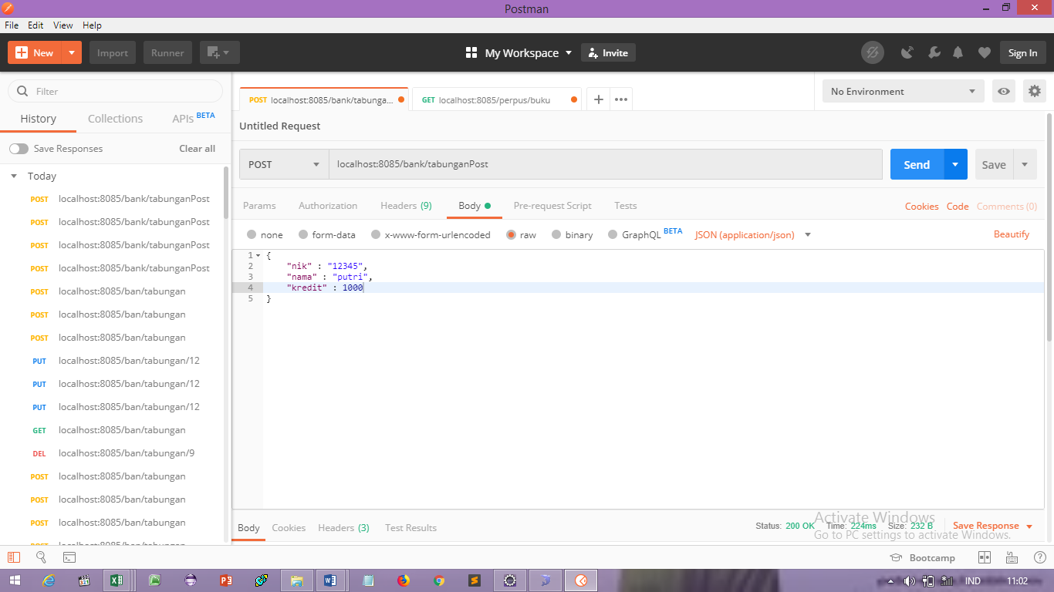



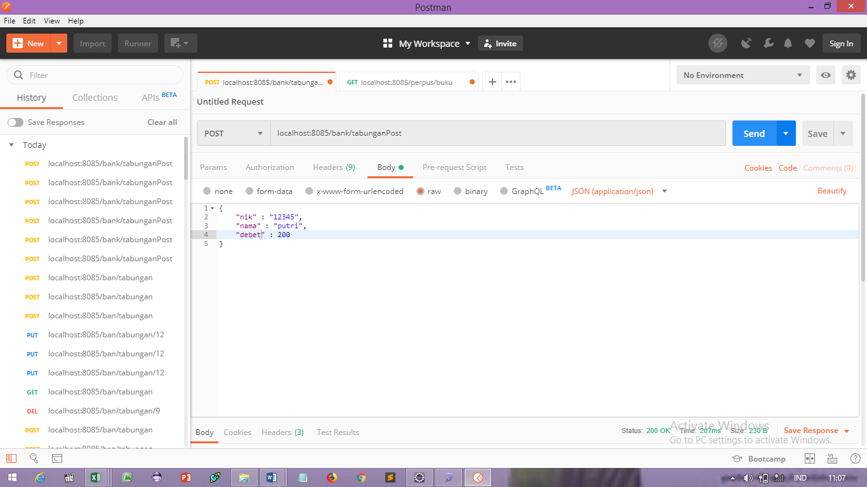

response

API 2
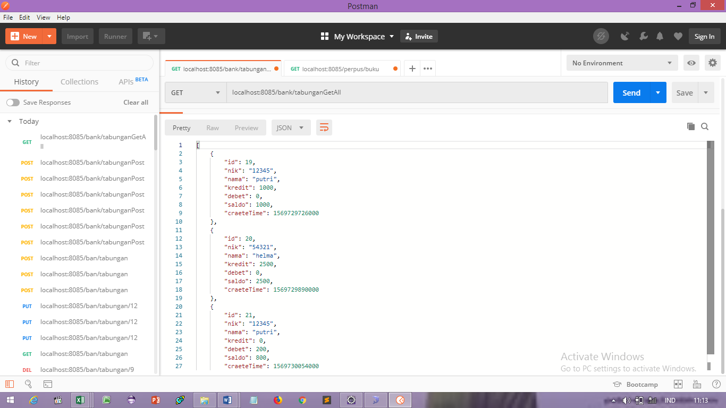
API | GET
http://localhost:8085/bank/tabunganGetAll

PARAMETER

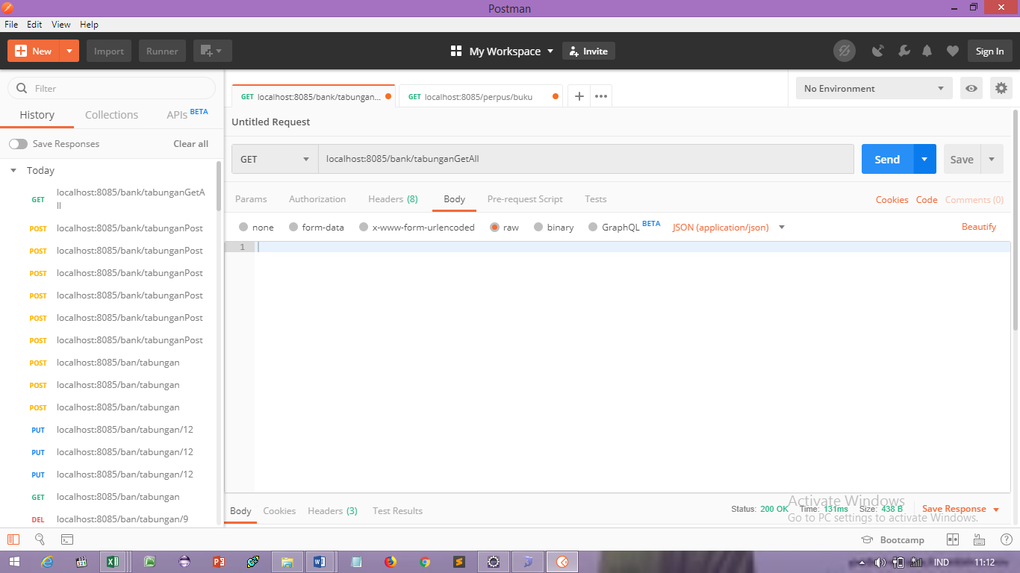

RESPONSE

API 3
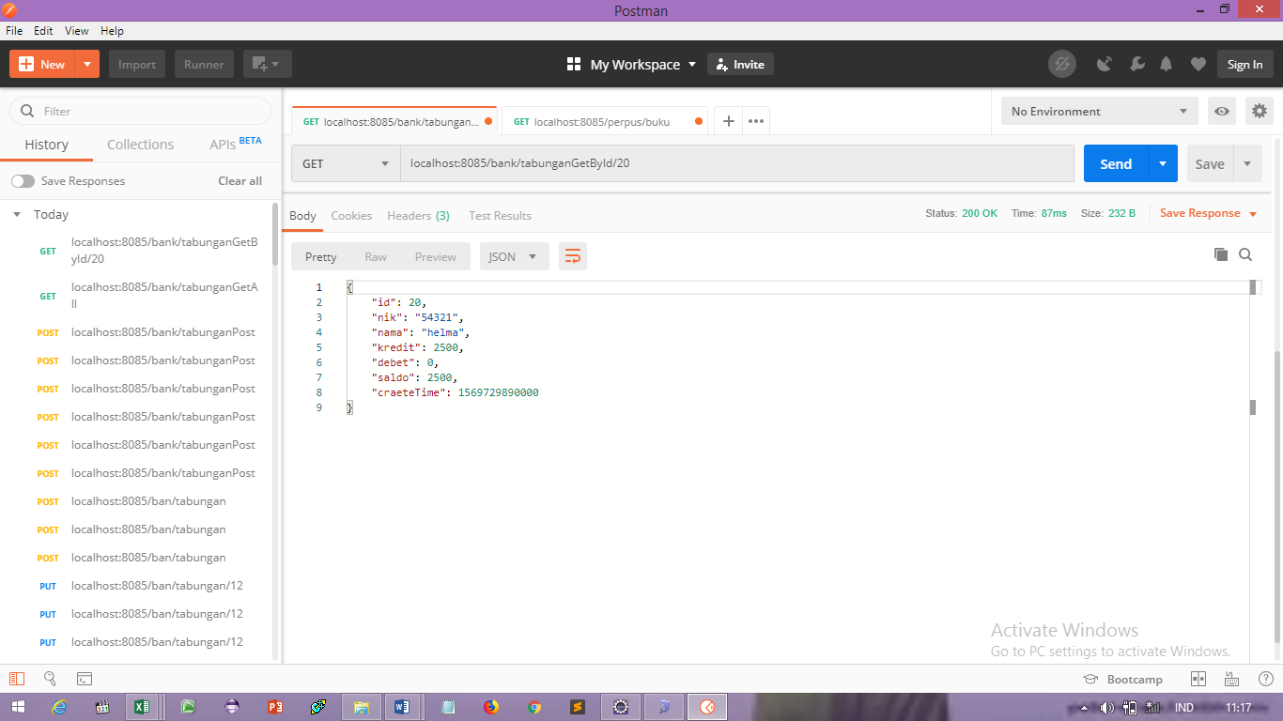
API | GET
http://localhost:8085/bank/tabunganGetById/20

PARAMETER

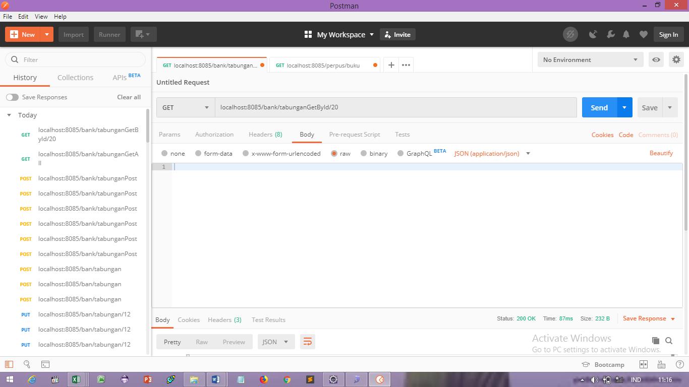

RESPONSE

API 4
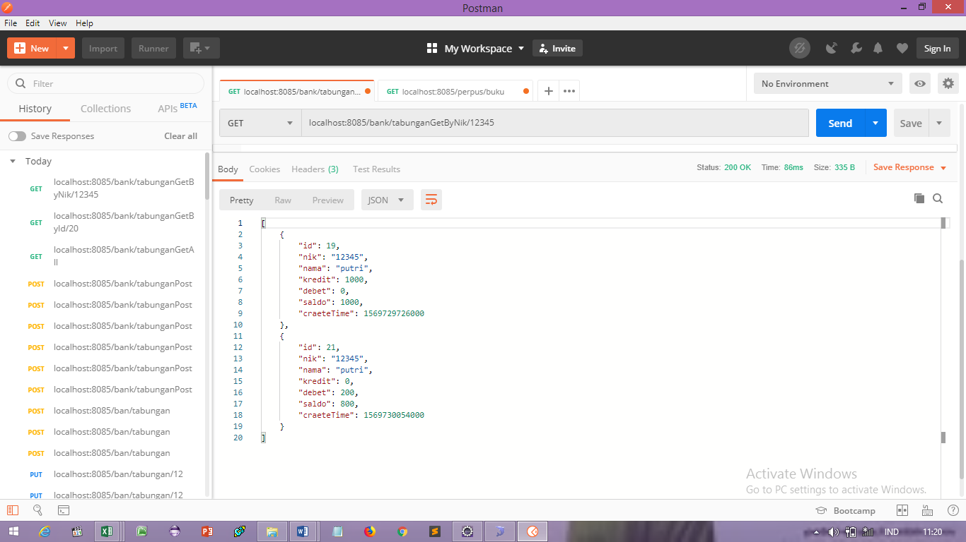
API | GET
http://localhost:8085/bank/tabunganGetByNik/12345

PARAMETER

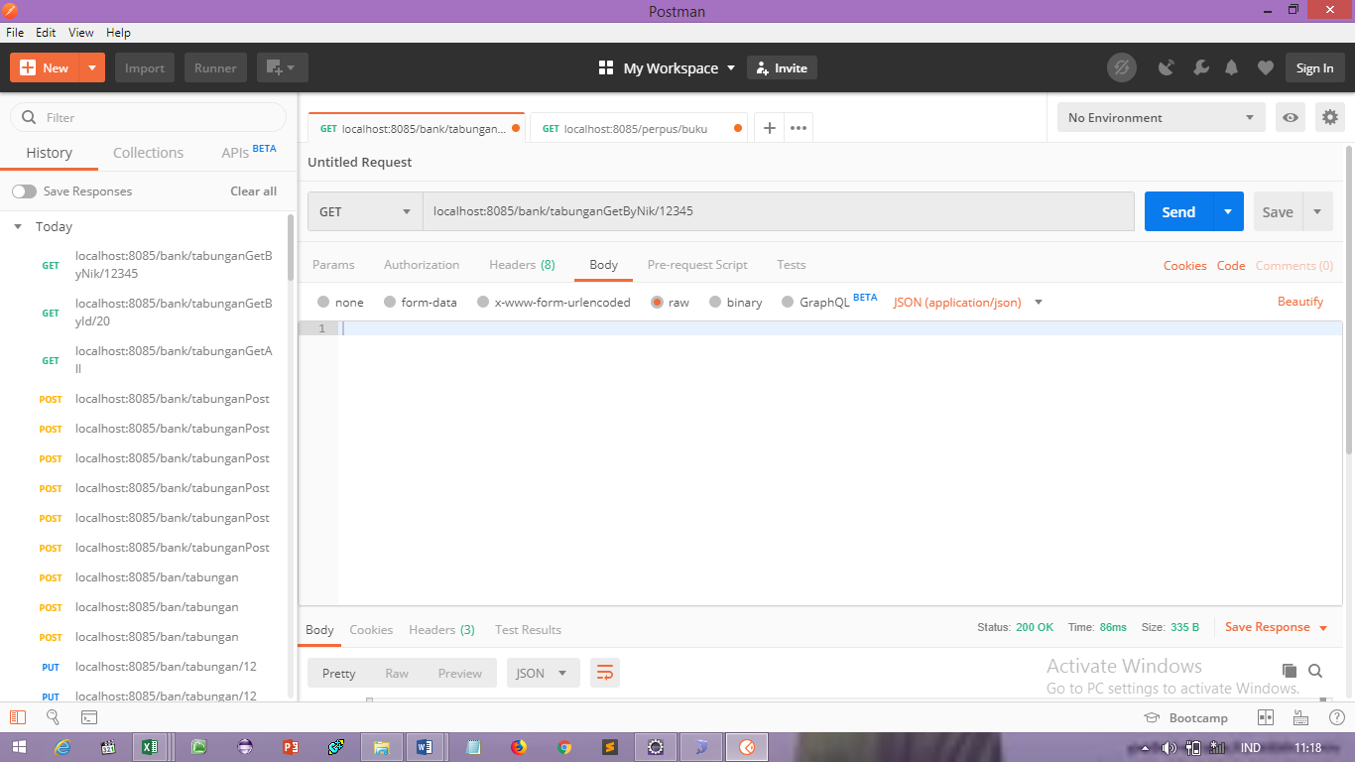

RESPONSE

API 5
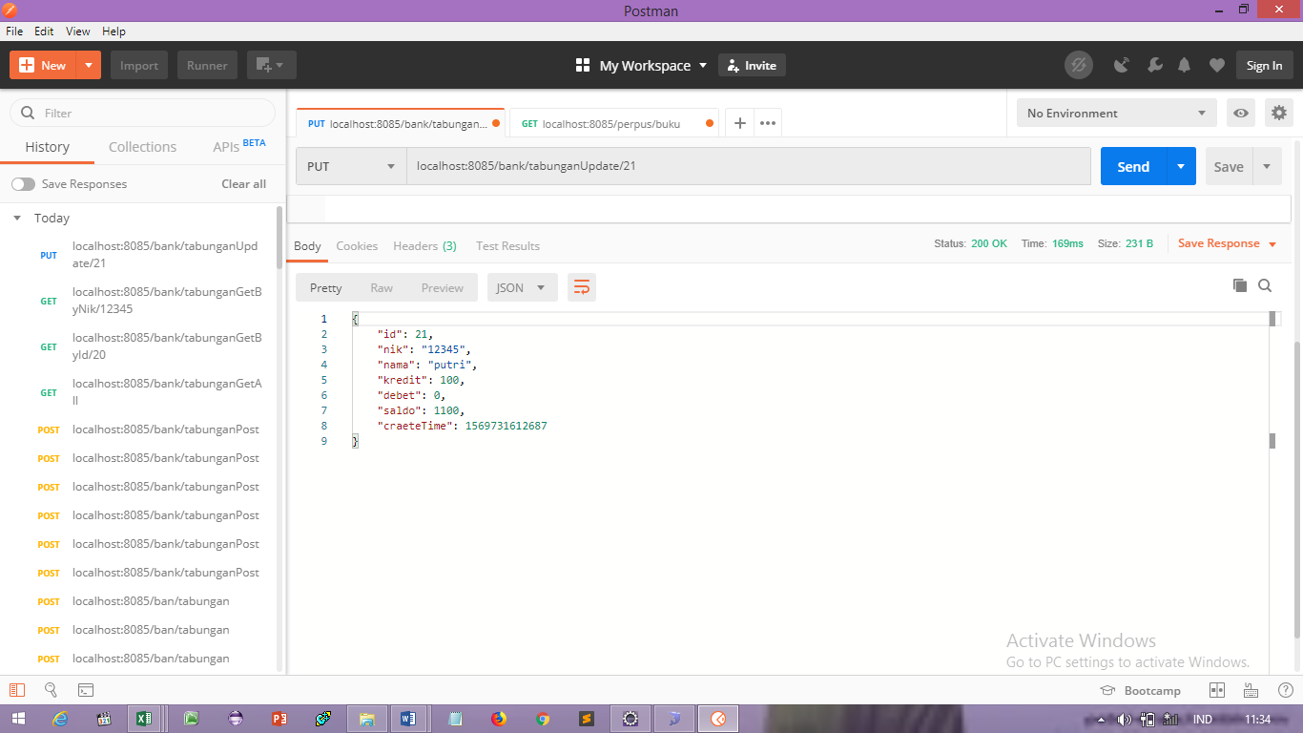
API | DELETE
http://localhost:8085/bank/tabunganUpdate/21

PARAMETER

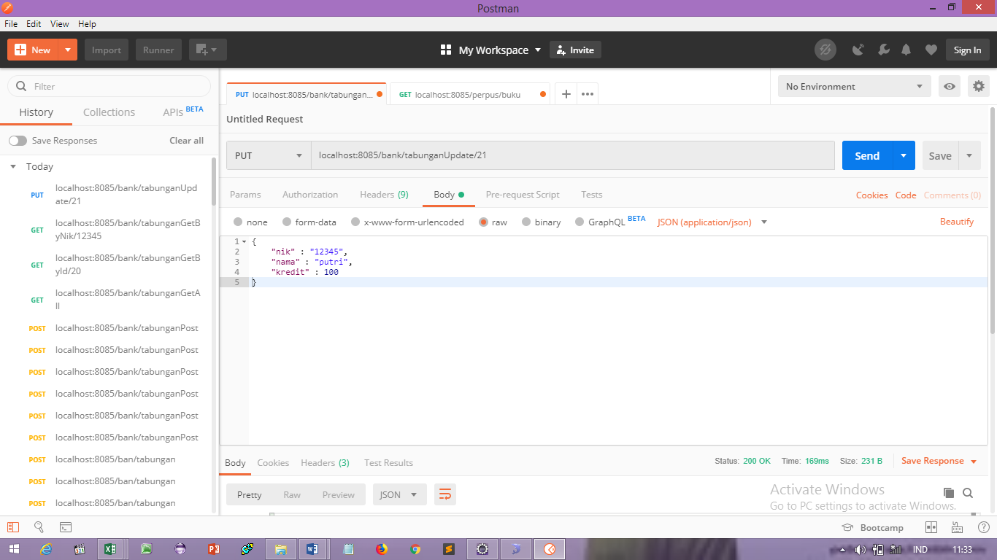

RESPONSE

API 6
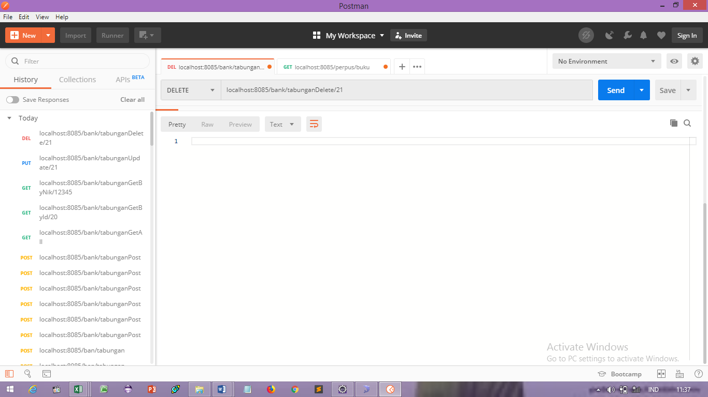
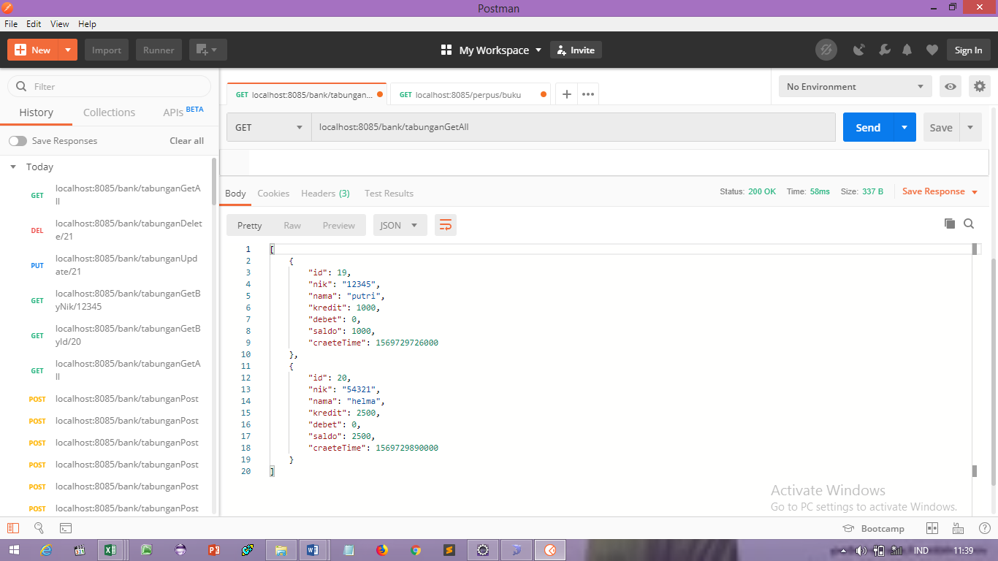
API | PUT
http://localhost:8085/bank/tabunganDelete/21

PARAMETER

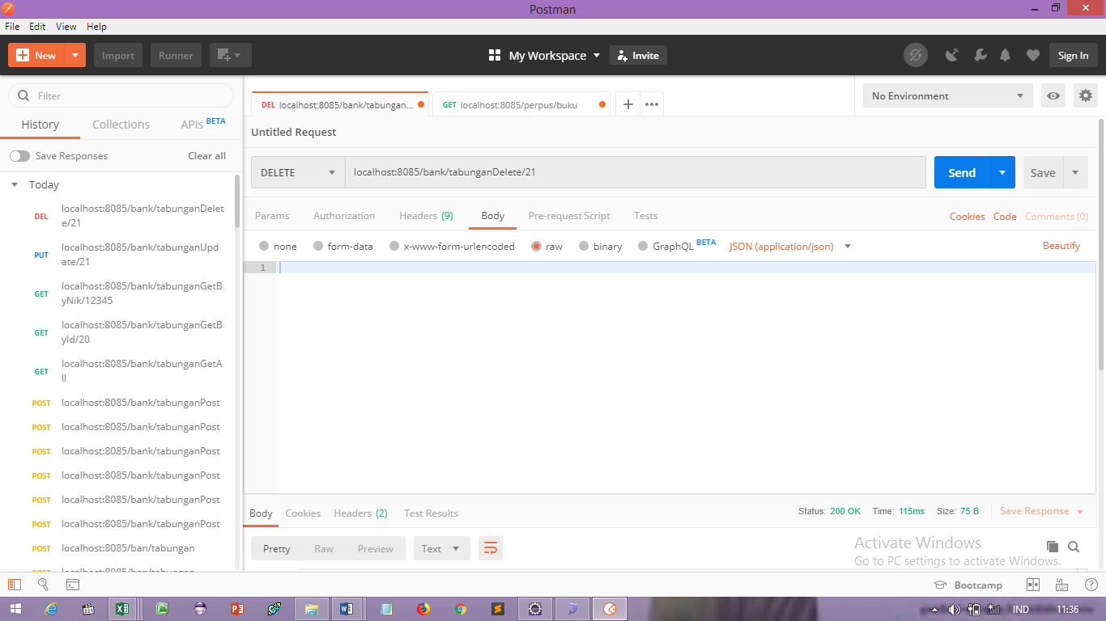



RESPONSE

